WireFrame
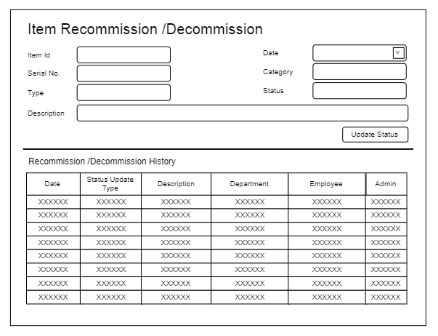
Title | Form Design
Design Type | Form
List Title | Decommission / Recommission Item form

